2014
PROPERTY TAX BREAKDOWN
2014 | Percent of Budget | Rate
County Tax | 17.28% | 0.504
County Library Tax | 1.30% | 0.038
County Health Tax | 0.62% | 0.018
County Open Space Tax | 0.10% | 0.003
District School Tax | 33.78% | 0.985
Regional School Tax | 29.32% | 0.855
Local Municipal Budget | 17.49% | 0.510
Municipal Open Space Tax | 0.10% | 0.003

2014 Tax Rate: | 100.00% | 2.916
Property Tax Breakdown

2015
PROPERTY TAX BREAKDOWN
2015 | Percent of Budget | Rate
County Tax | 18.02% | 0.529
County Library Tax | 0.99% | 0.029
County Health Tax | 0.41% | 0.012
County Open Space Tax | 0.07% | 0.002
District School Tax | 33.92% | 0.996
Regional School Tax | 29.73% | 0.873
Local Municipal Budget | 16.76% | 0.492
Municipal Open Space Tax | 0.10% | 0.003

2015 Tax Rate: | 100.00% | 2.936
Property Tax Breakdown

2016
PROPERTY TAX BREAKDOWN
2016 | Percent of Budget | Rate
County Tax | 18.45% | 0.545
County Library Tax | 1.18% | 0.035
County Health Tax | 0.51% | 0.015
County Open Space Tax | 0.10% | 0.003
District School Tax | 34.09% | 1.007
Regional School Tax | 28.77% | 0.850
Local Municipal Budget | 16.79% | 0.496
Municipal Open Space Tax | 0.10% | 0.003

2015 Tax Rate: | 100.00% | 2.954
Property Tax Breakdown

2017
PROPERTY TAX BREAKDOWN
2017 | Percent of Budget | Rate
County Tax | 19.78% | 0.601
County Library Tax | 1.25% | 0.038
County Health Tax | 0.00% | -
County Open Space Tax | 0.10% | 0.003
District School Tax | 33.46% | 1.017
Regional School Tax | 28.92% | 0.879
Local Municipal Budget | 16.42% | 0.499
Municipal Open Space Tax | 0.07% | 0.002

2015 Tax Rate: | 100.00% | 3.039
Property Tax Breakdown

2017 (C)
PROPERTY TAX BREAKDOWN
2017 | Percent of Budget | Rate
County Tax | 19.78% | 0.601
County Library Tax | 1.25% | 0.038
County Health Tax | 0.00% | -
County Open Space Tax | 0.10% | 0.003
District School Tax | 33.46% | 1.017
Regional School Tax | 28.92% | 0.879
Local Municipal Budget | 16.42% | 0.499
Municipal Open Space Tax | 0.07% | 0.002

2017 Tax Rate: | 100.00% | 3.039
Property Tax Breakdown
County Tax | 0.19776242185 | 0.19776242185 | 0.19776242185
County Library Tax | 0.012504113195
County Health Tax | 0
County Open Space Tax | 0.00098716683119
District School Tax | 0.33464955577
Regional School Tax | 0.28923988154
Local Municipal Budget | 0.16419874959
Municipal Open Space Tax | 0.0006581112208

2018
PROPERTY TAX BREAKDOWN
2018 | Percent of Budget | Rate
County Tax | 19.66% | 0.607
County Library Tax | 1.30% | 0.040
County Health Tax | 0.00% | -
County Open Space Tax | 0.10% | 0.003
District School Tax | 33.29% | 1.028
Regional School Tax | 29.27% | 0.904
Local Municipal Budget | 16.32% | 0.504
Municipal Open Space Tax | 0.06% | 0.002

2018 Tax Rate: | 100.00% | 3.088
Property Tax Breakdown
County Tax | 0.19656735751 | 0.19656735751 | 0.19656735751
County Library Tax | 0.012953367876
County Health Tax | 0
County Open Space Tax | 0.00097150259067
District School Tax | 0.3329015544
Regional School Tax | 0.29274611399
Local Municipal Budget | 0.16321243523
Municipal Open Space Tax | 0.00064766839378

2021
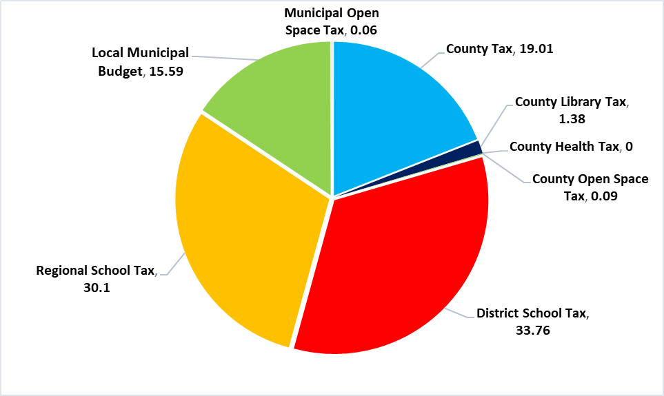
PROPERTY TAX BREAKDOWN
2021 | Percent of Budget | Rate
County Tax | 19.01% | 0.633
County Library Tax | 1.38% | 0.046
County Health Tax | 0.00% | -
County Open Space Tax | 0.09% | 0.003
District School Tax | 33.76% | 1.124
Regional School Tax | 30.10% | 1.002
Local Municipal Budget | 15.59% | 0.519
Municipal Open Space Tax | 0.06% | 0.002

2021 Tax Rate: | 100.00% | 3.329

 | 2021 Tax Distribution

